Bugs
Bug ID Number: | The number of test case to which the bug refers | Bug Name | Steps | Expected result | Actual result | Proof of bug
1 | 9 | The scroll bar disappears and the page expands | Go to: https://demoqa.com/ | The home page opens
 |  |  | Click on the "Elements" logo which is present below the previous buttons, the first on the left side. | "Elements" logo is clickable and leads us to: https://demoqa.com/element |  |  | Za bug report expected result se pise samo za poslednji korak
 |  |  | Click on the title "Elements" from the drop-down list | The drop down list elements are indented and the scroll bar is on the right edge of the page | The drop down list elements are indented and the scroll bar disappears and the page expands | Video proof of the bug is in the attached file

2 | 24 | Misspelled word Permanent | Go to https://demoqa.com/text-box
 |  |  | Type permanent address in Permanent Address area
 |  |  | Click on button Submit | The saved information is visible in the format Permanent Address: Svetog Nikole | The saved information is visible in the format PermaNAnent Address: Svetog Nikole | 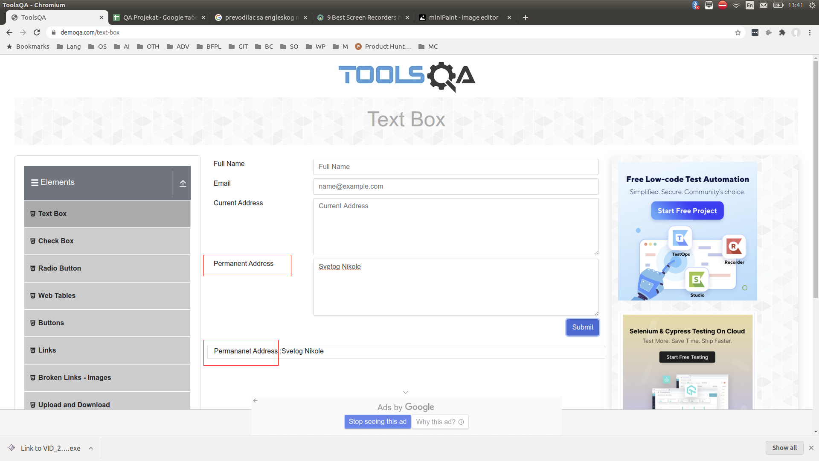

3 | 15 | Permanent address- watermark missing | Go to https://demoqa.com/text-box | Permanent Address is present below "Current Address" Bar, in the midle of the page, it is filled with "Permanent Address" watermark | Permanent Address is present below "Current Address" Bar, in the midle of the page, it is not filled with "Permanent Address" watermark | 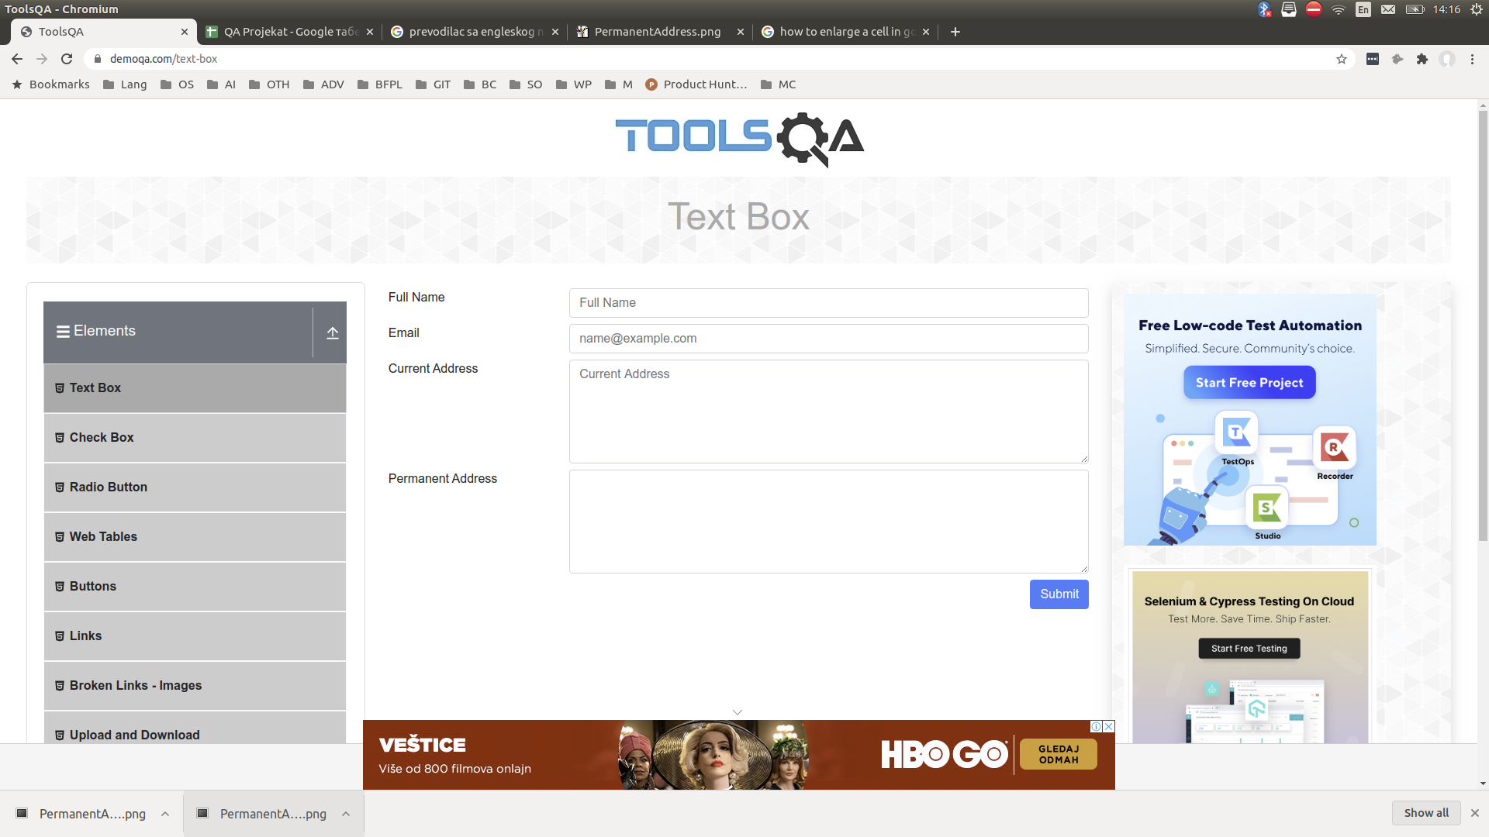

4 | 21; 22; 23; 24 | Inconsistent whitespace between : and input | Go to https://demoqa.com/text-box
 |  |  | Enter the required information in text boxes
 |  |  | Click on button Submit | The saved informations are visible in the format: Name:Marija Cvijic Email:marijacvijic1@gmail.com Current Address:Azanjska 5a Permananet Address:Svetog Nikole | The saved informations are visible in the format: Name:Marija Cvijic Email:marijacvijic1@gmail.com Current Address :Azanjska 5a Permananet Address :Svetog Nikole

5 | 42 | The NO button is not clickable | Go to https://demoqa.com/radio-button
 |  |  | Click on NO button | NO button is clickable and "No" is bold | NO button is not clickable and "No" is grayed out | 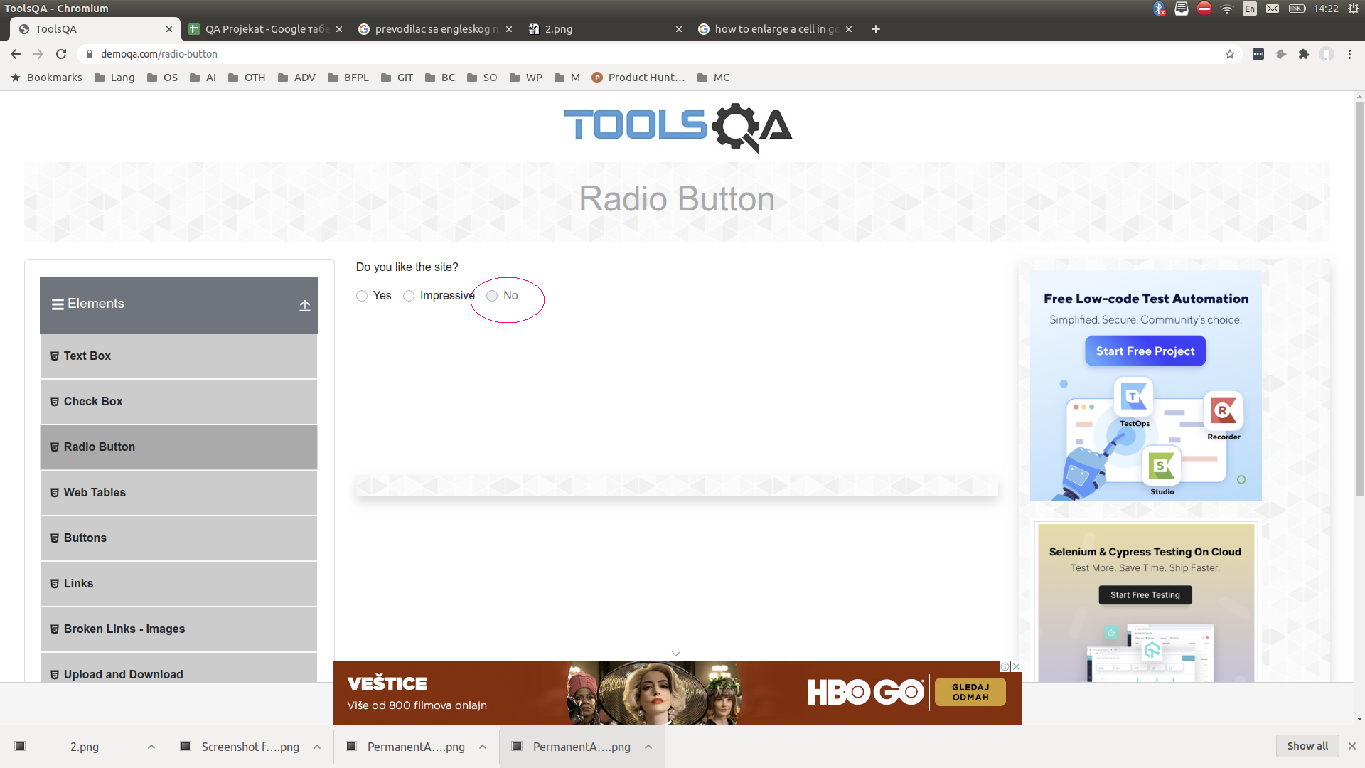

6 | 46 | Registration form pop up window | We clicked on Web Tables from Elements dropdown list and it leads us to https://demoqa.com/webtables
 |  |  | Click on Add button
 |  |  | Click anywhere out of pop up window | When clicked anywhere outside the pop up window, the same window does not close | When clicked anywhere outside the pop up window, the same window closes | Video proof of the bug is in the attached file

7 | 49 | Registration form-Invalid email address | We clicked on Web Tables from Elements dropdown list and it leads us to https://demoqa.com/webtables |  |  |  |  | Isto kao za "us" izbegavaj da pises "We" nego koristi neutralni izraz na primer "user"
 |  |  | Click on Add button
 |  |  | Enter an invalid type of email address (marijacvijic1@gmail.co) | Textbox with name@example.com watermark is bordered in red with an exclamation mark in it | The email address is entered, visible and when submit button is clicked email is saved in the table | 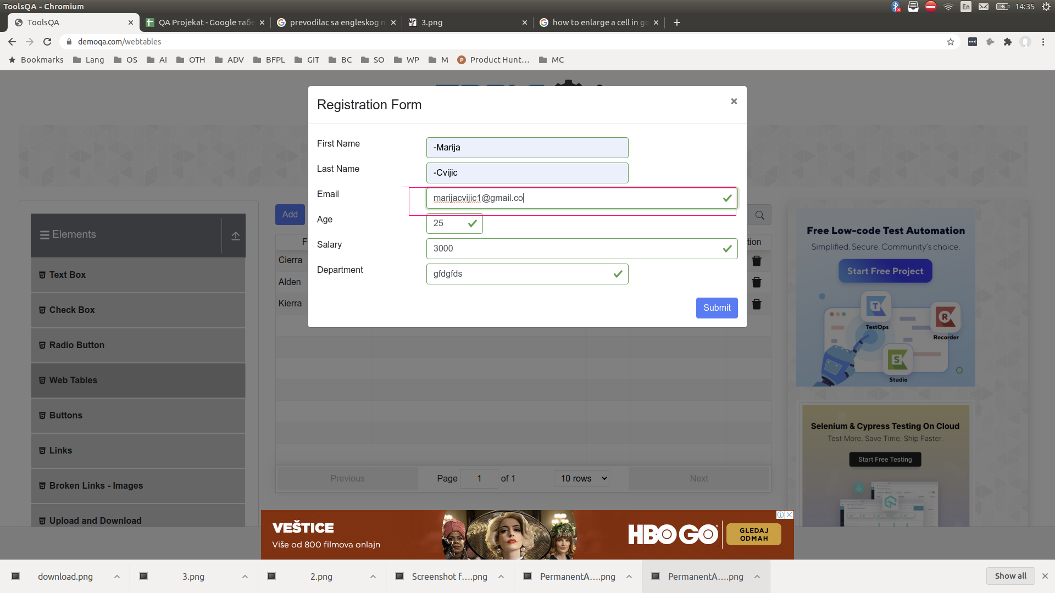

8 | 47 | Textbox with Age watermark does not allow entry after number 99 | We clicked on Web Tables from Elements dropdown list and it leads us to https://demoqa.com/webtables
 |  |  | Click on Add button
 |  |  | Try to enter number 100 in Textbox with Age watermark | Textbox with Age watermark allows to enter any number | Textbox with Age watermark does not allow entry after number 99 | Video proof of the bug is in the attached file

9 | 53 | Textbox with Action watermark is clickable | We clicked on Web Tables from Elements dropdown list and it leads us to https://demoqa.com/webtables
 |  |  | Click on textbox with Action watermark | Textbox with Action watermark is not clickable | Textbox with Action watermark is clickable and changes the order of the first and last saved information in that column | Video proof of the bug is in the attached file

10 | 67 | Correctly spelled, ie written text that is printed below the offered links | We clicked on Links from Elements dropdown list and it leads us to https://demoqa.com/links
 |  |  | Click on Created link | Link is clickable and the text "Link has responded with STATUS 201 and status text Created" appears | Link is clickable and the text "Link has responded with STAUS 201 and status text Created" appears
 |  |  | Click on No Content link | Link is clickable and the text "Link has responded with STATUS 204 and status text No Content" appears | Link is clickable and the text "Link has responded with STAUS 204 and status text No Content" appears
 |  |  | Click on Moved link | Link is clickable and the text "Link has responded with STATUS 301 and status text Moved Permanently" appears | Link is clickable and the text "Link has responded with STAUS 301 and status text Moved Permanently" appears
 |  |  | Click on Bad Request link | Link is clickable and the text "Link has responded with STATUS 400 and status text Bad Request" appears | Link is clickable and the text "Link has responded with STAUS 400 and status text Bad Request" appears
 |  |  | Click on Unauthorized link | Link is clickable and the text "Link has responded with STATUS 401 and status text Unauthorized" appears | Link is clickable and the text "Link has responded with STAUS 401 and status text Unauthorized" appears
 |  |  | Click on Forbidden link | Link is clickable and the text "Link has responded with STATUS 403 and status text Forbidden" appears | Link is clickable and the text "Link has responded with STAUS 403 and status text Forbidden" appears
 |  |  | Click on Not Found link | Link is clickable and the text "Link has responded with STATUS 404 and status text Not Found" appears | Link is clickable and the text "Link has responded with STAUS 404 and status text Not Found" appears | 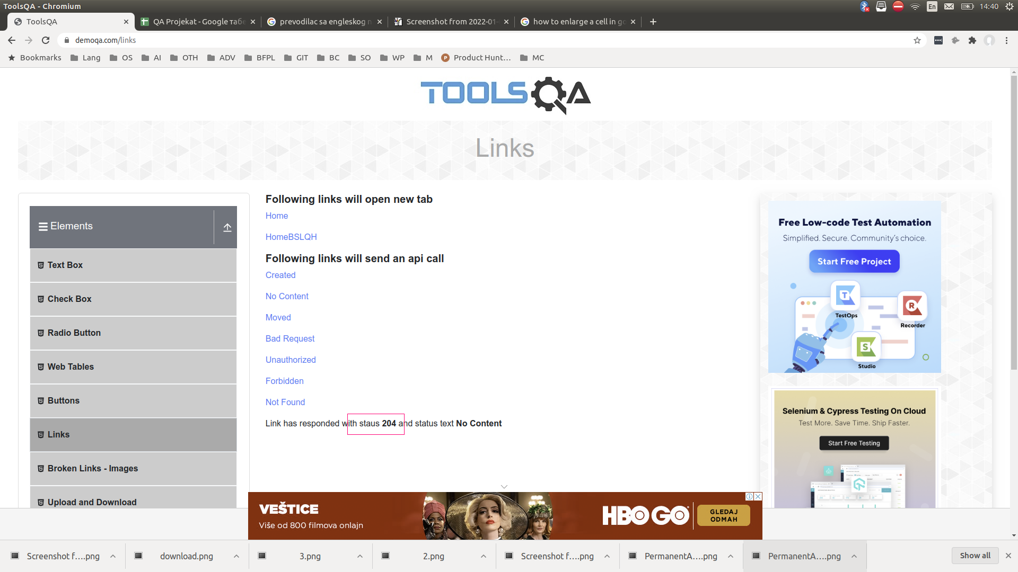

11 | 74 | "No file chosen" text is clickable | We clicked on Upload and Download from Elements dropdown list and it leads us to https://demoqa.com/upload-download
 |  |  | Click on "No file chosen" text | "No file chosen" text is not clickable | "No file chosen" text is clickable and it allows us to chose a document from computer | Video proof of the bug is in the attached file

12 | 9 | Book Store Aplication | We clicked on "Elements" logo and it leads us to: https://demoqa.com/elements | All expected elements on the "Elements" page are present and visible | "Book store aplication" element from dropdown list is present but not fully visible | 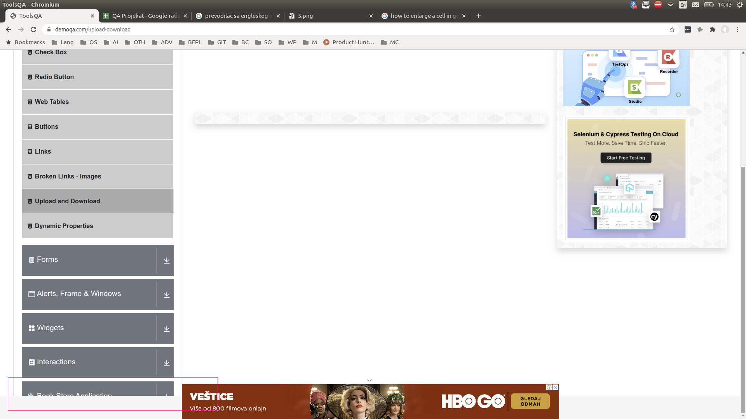

13 | 79 | Subject textbox | We clicked on Forms logo and it leads us to https://demoqa.com/forms
 |  |  | We clicked on Forms element from dropdown list | Subject textbox is present right from Subject text and it is filled with Subject watermark | Subject textbox is present right from Subject text and it is NOT filled with Subject watermark | 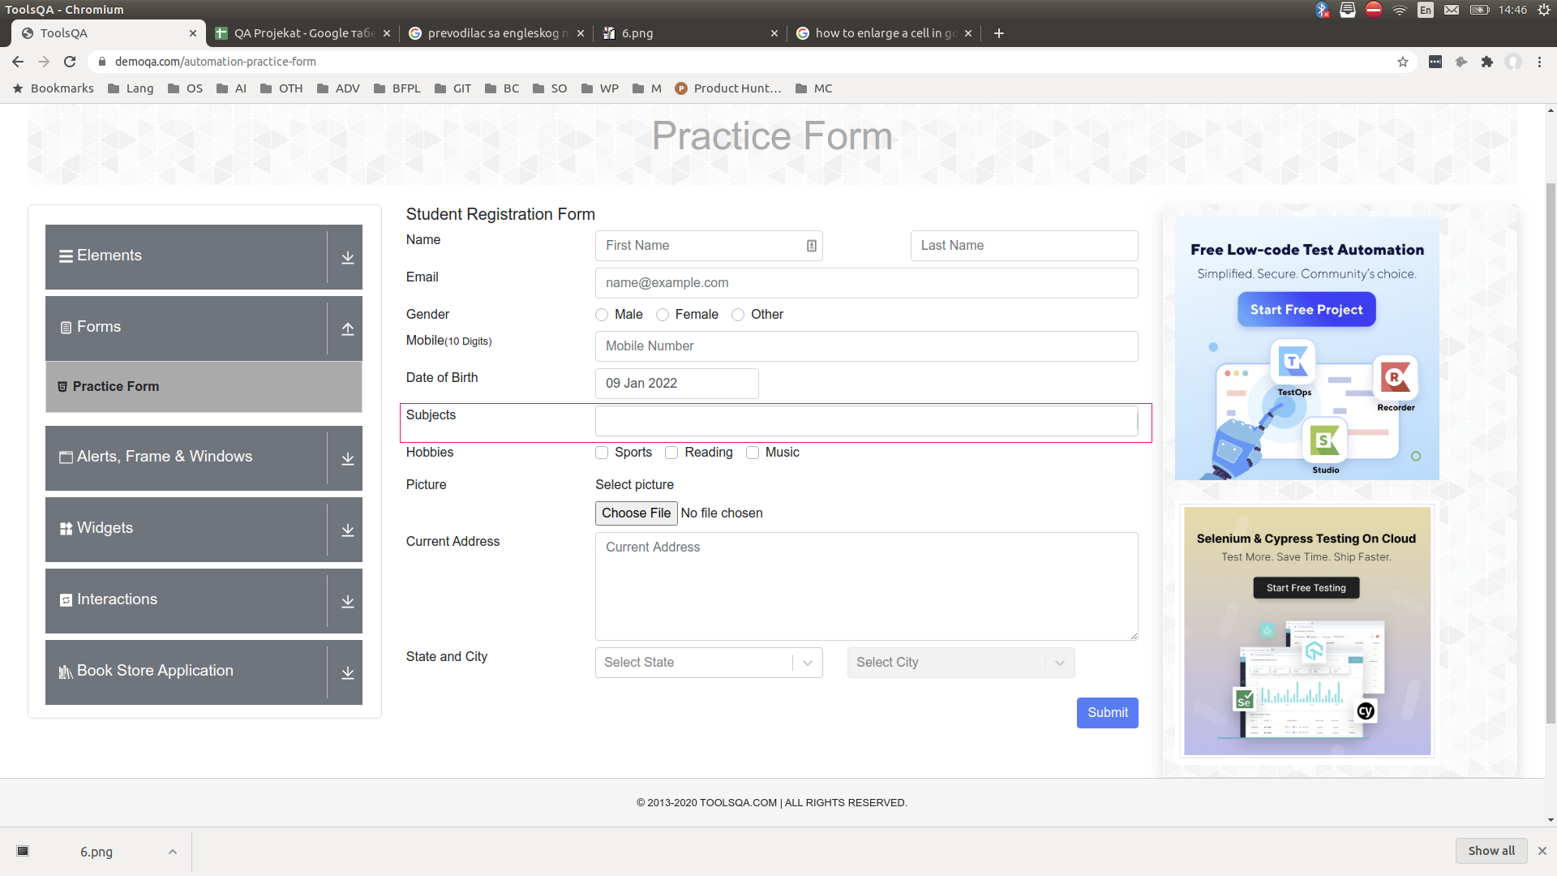

14 | 84 | Date dropdown-future years | We clicked on Forms logo and it leads us to https://demoqa.com/forms
 |  |  | We clicked on "Practice Form" element from drop down list with the title "Forms" and it leads us to: https://demoqa.com/automation-practice-form | Date dropdown opens the calendar and offers options to change the day, month and year of birth starting from the current year | Allows the change of year of birth to future years | 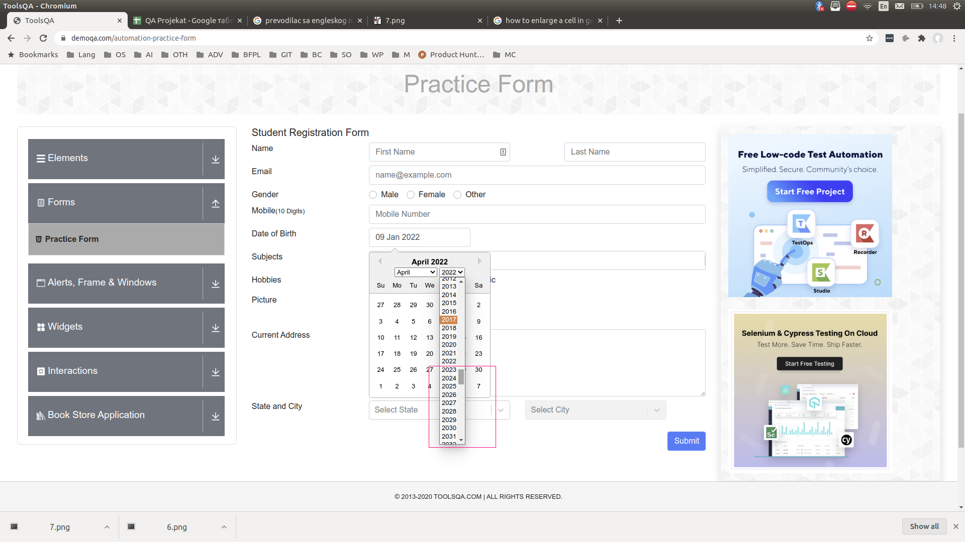

15 | 89 | "No file chosen" text is clickable | We clicked on Forms logo and it leads us to https://demoqa.com/forms
 |  |  | We clicked on "Practice Form" element from drop down list with the title "Forms" and it leads us to: https://demoqa.com/automation-practice-form
 |  |  | Click on "No file chosen" text | "No file chosen" text is not clickable | "No file chosen" text is clickable and allows us to to select a file from the computer | Video proof of the bug is in the attached file

